Sheet1
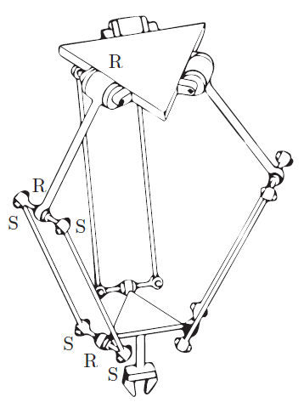

Arm Type | Number of Arms | Number of Links | Number of Joints | Joint Types |  | Sum of Degrees of Freedom | Passive Degrees of Freedom | Degrees of Freedom (F)
S | 3 | 17 | 21 | Prismatic (P): | 0 | 45 | 12 | Planar: 18
 |  |  |  | Revolute (R): | 3 |  |  | Spatial: 3
 |  |  |  | Helical (H): | 0 |  |  | 3
 |  |  |  | Cylindrical (C): | 0
 |  |  |  | Universal (U): | 0
 |  |  |  | Spherical (S): | 4
 |  |  |  | Torsional: | 4

Arm Type | Number of Arms | Number of Links | Number of Joints | Joint Types | # | Sum of Degrees of Freedom | Passive Degrees of Freedom | Degrees of Freedom (F)
S | 3 | 11 | 15 | Prismatic (P): | 0 | 39 | 6 | Planar: 18
 |  |  |  | Revolute (R): | 1 |  |  | Spatial: 3
 |  |  |  | Helical (H): | 0
 |  |  |  | Cylindrical (C): | 0
 |  |  |  | Universal (U): | 0
 |  |  |  | Spherical (S): | 4
 |  |  |  | Torsional: | 2
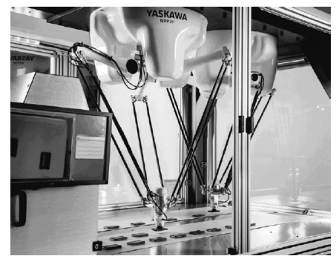
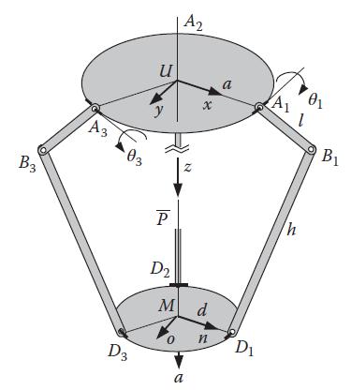

Arm Type | Number of Arms | Number of Links | Number of Joints | Joint Types | # | Sum of Degrees of Freedom | Passive Degrees of Freedom | Degrees of Freedom (F)
 | 3 | 11 | 15 | Prismatic (P): | 1 | 39 | 6 | Planar: 18
 |  |  |  | Revolute (R): | 0 |  |  | Spatial: 3
 |  |  |  | Helical (H): | 0
 |  |  |  | Cylindrical (C): | 0
 |  |  |  | Universal (U): | 0
 |  |  |  | Spherical (S): | 4
 |  |  |  | Torsional: | 2
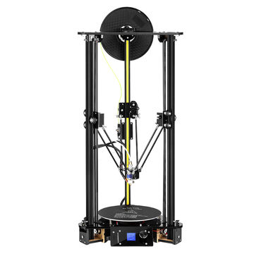

Arm Type | Number of Arms | Number of Links | Number of Joints | Joint Types | # | Sum of Degrees of Freedom | Passive Degrees of Freedom | Degrees of Freedom (F) | 4UPU
 | 4 | 10 | 12 | Prismatic (P): | 1 | 20 | 0 | Planar: 11
 |  |  |  | Revolute (R): | 0 |  |  | Spatial: 2
 |  |  |  | Helical (H): | 0
 |  |  |  | Cylindrical (C): | 0
 |  |  |  | Universal (U): | 2
 |  |  |  | Spherical (S): | 0
 |  |  |  | Torsional: | 0

Arm Type | Number of Arms | Number of Links | Number of Joints | Joint Types | # | Sum of Degrees of Freedom | Passive Degrees of Freedom | Degrees of Freedom (F) | Serial Manipulator 3R Planar
 | 1 | 4 | 3 | Prismatic (P): | 0 | 3 | 0 | Planar: 3
 |  |  |  | Revolute (R): | 3 |  |  | Spatial: 3
 |  |  |  | Helical (H): | 0
 |  |  |  | Cylindrical (C): | 0
 |  |  |  | Universal (U): | 0
 |  |  |  | Spherical (S): | 0
 |  |  |  | Torsional: | 0

